Agreement Type Summary
Facilities Services Agreement (FSA) | Limited Scope (LSA) | Master Construction Agreement (MSA)

Typically smaller dollar amounts (compared to larger projects seen with LSA or MSA work) | Exhibit A or Project Authorization Form is executed/negotiated | Contractor's fee based on total project amount (See screenshot of example schedule below):
Usually general maintenance/repair types of services (patching drywall, painting a wing of a hospital, replacing light fixtures, etc.) | If contractor's fee is explicitly stated in Exhibit A, use that rate | **Note- Screenshot is for EXAMPLE PURPOSES ONLY: your agreement schedule may look different**
POs will flow directly through Medxcel | If contractor's fee is NOT explicitly stated in Exhibit A, contractor's fee is 5%
Straight 3% or 5% admin fee rate |  | Total Purchase Amount (Total Invoice Amount) * Contractor's Fee = Stipulated Sum
 | Total Purchase Amount (Total Invoice Amount) * Contractor's Fee = Stipulated Sum | Stipulated Sum * Admin Fee % = Total Admin Fee Due
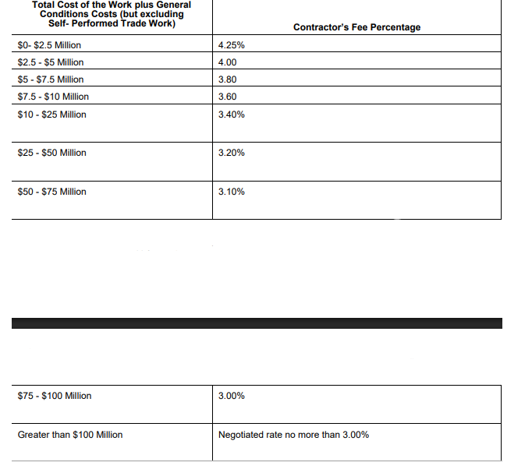
Total Purchase Amount (Total Invoice Amount) * Admin Fee % = Total Admin Fee Due | Stipulated Sum * Admin Fee % = Total Admin Fee Due

